Sheet1
MAGNESIUM
1 cal | 4.18 | J/cal
1mol Mg | 0.0243 | kg/mol

A | 6.34341 |  | T | T/1000 | cp | cp | H-H298
B | -0.36641 |  | K | K | cal/mol-K | J/kg-K | kJ/mol
C | 1.92697 |  | 298.00 | 0.298 | 5.94 | 1022.56 | 0.00
D | 0.13675 |  | 400.00 | 0.400 | 6.25 | 1076.54 | 2.60
E | -0.04164 |  | 500.00 | 0.500 | 6.49 | 1117.65 | 5.27
F | -2.03193 |  | 600.00 | 0.600 | 6.73 | 1158.74 | 8.04
G | 15.27290 |  | 700.00 | 0.700 | 6.99 | 1203.83 | 10.91
H | 0.00000 |  | 800.00 | 0.800 | 7.29 | 1254.68 | 13.89
 |  |  | 900.00 | 0.900 | 7.62 | 1312.23 | 17.01
 |  |  | 923.00 | 0.923 | 7.71 | 1326.47 | 17.75

Aluminum
1mol Al | 0.0270 | kg/mol

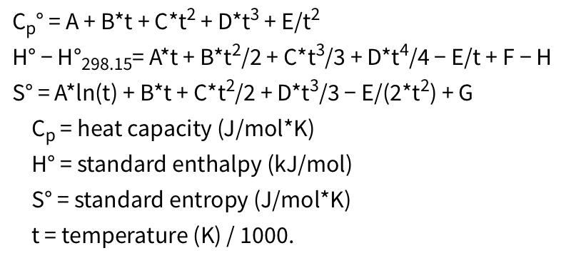
A | 28.09 |  | T | T/1000 | cp | cp | H-H298
B | -5.41 |  | K | K | cal/mol-K | J/kg-K | kJ/mol
C | 8.56 |  | 298.00 | 0.298 | 24.20 | 897.02 | 0.00
D | 3.43 |  | 400.00 | 0.400 | 25.78 | 955.42 | 2.55
E | -0.28 |  | 500.00 | 0.500 | 26.84 | 994.78 | 5.19
F | -9.15 |  | 600.00 | 0.600 | 27.89 | 1033.74 | 7.92
G | 61.91 |  | 700.00 | 0.700 | 29.10 | 1078.62 | 10.77
H | 0.000 |  | 800.00 | 0.800 | 30.56 | 1132.53 | 13.75
 |  |  | 900.00 | 0.900 | 32.31 | 1197.33 | 16.89
 |  |  | 923.00 | 0.923 | 32.75 | 1213.93 | 17.64

Titanium
1mol Ti | 0.0479 | kg/mol
 |  |  |  |  |  |  | Alpha phase |  |  | Beta phase
 | alpha phase |  | Beta phase |  | T | T/1000 | cp | cp | H-H298 | cp | cp | H-H298
 | 298. - 700. | 700. - 1700. | 298. - 1939. |  | K | K | cal/mol-K | J/kg-K | kJ/mol | cal/mol-K | J/kg-K | kJ/mol
A | 22.62 | 44.37 | 23.06 |  | 298.00 | 0.298 | 25.23 | 527.18 | 0.00 | 23.94 | 500.06 | 0.00
B | 18.99 | -44.09 | 5.54 |  | 400.00 | 0.400 | 26.86 | 561.16 | 2.66 | 24.70 | 515.95 | 2.48
C | -18.19 | 31.71 | -2.06 |  | 500.00 | 0.500 | 27.88 | 582.40 | 5.40 | 25.29 | 528.35 | 4.98
D | 7.08 | 0.05 | 1.61 |  | 600.00 | 0.600 | 28.60 | 597.40 | 8.23 | 25.83 | 539.70 | 7.54
E | -0.14 | 0.04 | -0.06 |  | 700.00 | 0.700 | 29.14 | 608.67 | 11.11 | 26.37 | 550.83 | 10.15
F | -7.92 | -12.72 | -0.43 |  | 800.00 | 0.800 | 29.47 | 615.73 | 14.04 | 26.91 | 562.21 | 12.81
G | 52.41 | 93.09 | 64.13 |  | 900.00 | 0.900 | 30.45 | 636.21 | 17.03 | 27.48 | 574.18 | 15.53
H | 0.00 | 0.00 | 6.86 |  | 1000.00 | 1.000 | 32.07 | 670.06 | 20.15 | 28.10 | 587.00 | 18.31
 |  |  |  |  | 1100.00 | 1.100 | 34.33 | 717.28 | 23.47 | 28.76 | 600.90 | 21.15
 |  |  |  |  | 1200.00 | 1.200 | 37.23 | 777.84 | 27.04 | 29.49 | 616.12 | 24.06
 |  |  |  |  | 1300.00 | 1.300 | 40.77 | 851.76 | 30.93 | 30.29 | 632.87 | 27.05
 |  |  |  |  | 1400.00 | 1.400 | 44.95 | 939.02 | 35.21 | 31.18 | 651.37 | 30.12
 |  |  |  |  | 1500.00 | 1.500 | 49.76 | 1039.63 | 39.94 | 32.16 | 671.81 | 33.29
 |  |  |  |  | 1600.00 | 1.600 | 55.22 | 1153.60 | 45.19 | 33.24 | 694.41 | 36.56
 |  |  |  |  | 1700.00 | 1.700 | 61.31 | 1280.93 | 51.01 | 34.43 | 719.38 | 39.94
 |  |  |  |  | 1800.00 | 1.800 |  |  |  | 35.75 | 746.91 | 43.45
 |  |  |  |  | 1900.00 | 1.900 |  |  |  | 37.20 | 777.21 | 47.10

ZIRCONIUM
1mol Zr | 0.0912 | kg/mol
 |  |  |  |  |  |  | Alpha phase |  |  | Beta phase
 | alpha phase | Beta phase |  |  | T | T/1000 | cp | cp | H-H298 | cp | cp | H-H298
 | 298. - 1700. | 298. - 800 | 800. - 2125 |  | K | K | cal/mol-K | J/kg-K | kJ/mol | cal/mol-K | J/kg-K | kJ/mol
A | 29.01663 | 25.3924 | 22.00069 |  | 298.00 | 0.298 | 25.19 | 276.14 | 0.00 | 25.20 | 276.25 | 0.00
B | -12.55597 | 0.434236 | 2.211893 |  | 400.00 | 0.400 | 25.95 | 284.50 | 2.61 | 25.92 | 284.18 | 2.61
C | 20.74954 | 4.384539 | 0.410633 |  | 500.00 | 0.500 | 26.56 | 291.13 | 5.23 | 26.57 | 291.27 | 5.23
D | -5.914 | 1.017123 | 0.705368 |  | 600.00 | 0.600 | 27.24 | 298.59 | 7.92 | 27.27 | 298.93 | 7.92
E | -0.157249 | -0.065449 | 2.927135 |  | 700.00 | 0.700 | 28.05 | 307.43 | 10.69 | 28.06 | 307.60 | 10.69
F | -8.791924 | -3.03976 | 3.562032 |  | 800.00 | 0.800 | 28.98 | 317.66 | 13.54 | 28.96 | 317.51 | 13.54
G | 75.97265 | 73.22 | 74.71201 |  | 900.00 | 0.900 | 30.02 | 329.06 | 16.48 | 28.45 | 311.89 | 16.41
H | 0 | 4.81001 | 4.81001 |  | 1000.00 | 1.000 | 31.14 | 341.35 | 19.54 | 28.26 | 309.74 | 19.24
 |  |  |  |  | 1100.00 | 1.100 | 32.31 | 354.19 | 22.71 | 28.29 | 310.10 | 22.07
 |  |  |  |  | 1200.00 | 1.200 | 33.50 | 367.23 | 26.00 | 28.50 | 312.39 | 24.91
 |  |  |  |  | 1300.00 | 1.300 | 34.67 | 380.10 | 29.41 | 28.85 | 316.27 | 27.77
 |  |  |  |  | 1400.00 | 1.400 | 35.80 | 392.43 | 32.94 | 29.33 | 321.53 | 30.68
 |  |  |  |  | 1500.00 | 1.500 | 36.84 | 403.84 | 36.57 | 29.92 | 328.03 | 33.64
 |  |  |  |  | 1600.00 | 1.600 | 37.76 | 413.93 | 40.30 | 30.62 | 335.70 | 36.67
 |  |  |  |  | 1700.00 | 1.700 | 38.53 | 422.34 | 44.12 | 31.43 | 344.49 | 39.77
 |  |  |  |  | 1800.00 | 1.800 |  |  |  | 32.33 | 354.40 | 42.96
 |  |  |  |  | 1900.00 | 1.900 |  |  |  | 33.33 | 365.42 | 46.24
 |  |  |  |  | 2000.00 | 2.000 |  |  |  | 34.44 | 377.55 | 49.63
 |  |  |  |  | 2100.00 | 2.100 |  |  |  | 35.65 | 390.83 | 53.13
 |  |  |  |  | 2125.00 | 2.125 |  |  |  | 35.97 | 394.33 | 54.03

